ACCESSORIES
 | NAME | COLOR | STYLE | SKU | RETAIL | QTY | TOTAL
 | KELLI | NAVY | 35TOGX9T1T | 623763578 | € 395.00 | 12 | € 4,740.00
 | COLBY | BRIGHT DAISY YELLOW | 30S4SBAL2L | 623794692 | € 350.00 | 5 | € 1,750.00
 | TRIBECA | PEAR | 30R4S1SL3L | 623776410 | € 350.00 | 41 | € 14,350.00
 | SHEILA BACKPACK | LUGGAGE | 35F3G6HB6L | 623748195 | € 450.00 | 52 | € 23,400.00
 | SHEILA BACKPACK | BLACK | 35F3G6HB6L | 623730003 | € 450.00 | 63 | € 28,350.00
 | SHEILA BACKPACK ACOL | NAVY | 35R5S6HB6V | 785328277 | € 450.00 | 13 | € 5,850.00
 | CARRY ALL CUADRADO | NAVY | 35F4STVT9L | 785308456 | € 395.00 | 25 | € 9,875.00
 | LEIDA | DRAGON FRUIT | 35S4S9GT3L | 785328489 | € 375.00 | 15 | € 5,625.00
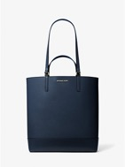 | KELLI | NAVY | 35TOG9T3T | 623763580 | € 450.00 | 7 | € 3,150.00
 | BANDOLERA BRADSHAW | NOIR | 35R5S2BC0B | 785328210 | € 350.00 | 4 | € 1,400.00
 | JET SET TRAVEL CLUTCH | LT CREAM | 35S4GTVW3L | 623762846 | € 225.00 | 27 | € 6,075.00
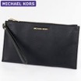 | JET SET TRAVEL CLUTCH | BLACK GOLD | 35S4GTVW3L | 623762845 | € 225.00 | 35 | € 7,875.00
 | JET SET TRAVEL CLUTCH | LUGGAGE | 35S4GTVW3L | 623762843 | € 225.00 | 13 | € 2,925.00
 | JET SET TRAVEL CLUTCH | BLACK SILVER | 35S4STVW3L | 623763443 | € 225.00 | 34 | € 7,650.00
 | JET SET TRAVEL | BLACK | 35F2GTVD0L | 616343090 | € 125.00 | 32 | € 4,000.00
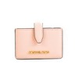 | JET SET TRAVEL | POWDER BLUSH | 35F2GTVD0L | 616343105 | € 125.00 | 11 | € 1,375.00
 | TRAVEL MD CASE | DENIM | 35R5STFN2C | 785328104 | € 195.00 | 3 | € 585.00
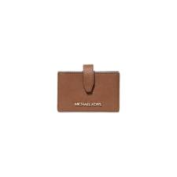 | JET SET TRAVEL | LUGGAGE | 35F2GTVD0L | 616343095 | € 125.00 | 1 | € 125.00
 |  |  |  |  |  | 393 | € 129,100.00

